contract
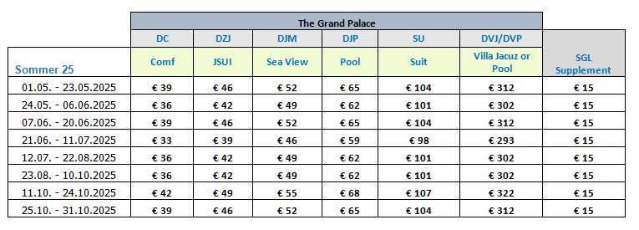
first date | second date | SGL-COM | SGL-JS | SGL-SV | SGL-PA | SGL-SU | SGL-V | DBL-COM | DBL-JS | DBL-SV | DBL-PA | DBL-SUIT | DBL-V | TPL-JS | DBL-COM 50% | DBL-VILLA | SGL-JS 50% | DBL-JS 50% | DBL-PA 50% | DBL-SV 50% | SGL-PA 50%
2025-01-05 | 2025-02-11 | 43 | 50 | 57 | 71 | 113 | 260 | 56 | 70 | 84 | 112 | 196 | 490 | 99 | 28 |  | 25 | 35 | 56 | 42 | 35.5
2025-02-12 | 2025-04-11 | 50 | 57 | 64 | 78 | 120 | 278 | 70 | 84 | 98 | 126 | 210 | 526 | 120 | 35 |  | 28.5 | 42 | 63 | 49 | 39
2025-04-12 | 2025-04-24 | 64 | 71 | 78 | 92 | 134 | 312 | 98 | 112 | 126 | 154 | 238 | 594 | 162 | 49 |  | 35.5 | 56 | 77 | 63 | 46
2025-04-25 | 2025-04-30 | 57 | 64 | 71 | 85 | 127 | 295 | 84 | 98 | 112 | 140 | 224 | 560 | 141 | 42 |  | 32 | 49 | 70 | 56 | 42.5
2025-05-01 | 2025-05-23 | 54 | 61 | 67 | 80 | 119 | 327 | 78 | 92 | 104 | 130 | 208 | 624 | 132 | 39 |  | 30.5 | 46 | 65 | 52 | 40
2025-05-24 | 2025-06-06 | 51 | 57 | 64 | 77 | 116 | 317 | 72 | 84 | 98 | 124 | 202 | 604 | 120 | 36 |  | 28.5 | 42 | 62 | 49 | 38.5
2025-06-07 | 2025-06-20 | 54 | 61 | 67 | 80 | 119 | 327 | 78 | 92 | 104 | 130 | 208 | 624 | 132 | 39 |  | 30.5 | 46 | 65 | 52 | 40
2025-06-21 | 2025-07-11 | 48 | 54 | 61 | 74 | 113 | 308 | 66 | 78 | 92 | 118 | 196 | 586 | 111 | 33 |  | 27 | 39 | 59 | 46 | 37
2025-07-12 | 2025-08-22 | 51 | 57 | 64 | 77 | 116 | 317 | 72 | 84 | 98 | 124 | 202 | 604 | 120 | 36 |  | 28.5 | 42 | 62 | 49 | 38.5
2025-08-23 | 2025-10-10 | 51 | 57 | 64 | 77 | 116 | 317 | 72 | 84 | 98 | 124 | 202 | 604 | 120 | 36 |  | 28.5 | 42 | 62 | 49 | 38.5
2025-10-11 | 2025-10-24 | 57 | 64 | 70 | 83 | 122 | 337 | 84 | 98 | 110 | 136 | 214 | 644 | 141 | 42 |  | 32 | 49 | 68 | 55 | 41.5
2025-10-25 | 2025-10-31 | 54 | 61 | 67 | 80 | 119 | 327 | 78 | 92 | 104 | 130 | 208 | 624 | 132 | 39 |  | 30.5 | 46 | 65 | 52 | 40

